DASHBOARD
INDIAN PREMIER LEAGUE 2008-2017
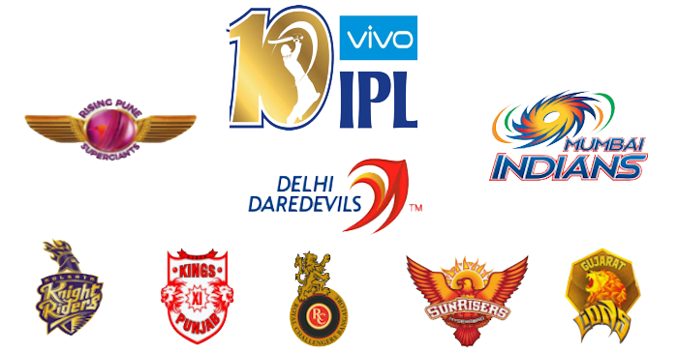

MATCHES BASED ON SEASONS
 | Total
2008 | 58
2009 | 57
2010 | 60
2011 | 73
2012 | 74
2013 | 76
2014 | 60
2015 | 59
2016 | 60
2017 | 59
MATCHES 2008-17
 | Total
2008 | 58
2009 | 57
2010 | 60
2011 | 73
2012 | 74
2013 | 76
2014 | 60
2015 | 59
2016 | 60
2017 | 59
MATCHES IN DIFFERENT VENUES
 | Total
OUTsurance Oval | 2
De Beers Diamond Oval | 3
Buffalo Park | 3
Vidarbha Cricket Association Stadium, Jamtha | 3
Green Park | 4
Nehru Stadium | 5
Holkar Cricket Stadium | 5
Sharjah Cricket Stadium | 6
Shaheed Veer Narayan Singh International Stadium | 6
Newlands | 7
Dubai International Cricket Stadium | 7
JSCA International Stadium Complex | 7
Barabati Stadium | 7
St George's Park | 7
Sheikh Zayed Stadium | 7
New Wanderers Stadium | 8
Himachal Pradesh Cricket Association Stadium | 9
Saurashtra Cricket Association Stadium | 10
Punjab Cricket Association IS Bindra Stadium, Mohali | 11
Brabourne Stadium | 11
Dr. Y.S. Rajasekhara Reddy ACA-VDCA Cricket Stadium | 11
SuperSport Park | 12
Sardar Patel Stadium, Motera | 12
Maharashtra Cricket Association Stadium | 15
Kingsmead | 15
Dr DY Patil Sports Academy | 17
Subrata Roy Sahara Stadium | 17
Sawai Mansingh Stadium | 33
Punjab Cricket Association Stadium, Mohali | 35
MA Chidambaram Stadium, Chepauk | 48
Rajiv Gandhi International Stadium, Uppal | 49
Wankhede Stadium | 57
Feroz Shah Kotla | 60
Eden Gardens | 61
M Chinnaswamy Stadium | 66

WINNER OF MATCHES
 | Total
Mumbai Indians | 82
Chennai Super Kings | 77
Kings Xi Punjab | 77
Royal Challengers Bangalore | 70
Kolkata Knight Riders | 68
Delhi Daredevils | 63
Rajasthan Royals | 54
Sunrisers Hyderabad | 46
Deccan Chargers | 43
Pune Warriors | 28
Gujarat Lions | 14
Pune Warriorss | 7
Kochi Tuskers Kerala | 7
This Photo by Unknown Author is licensed under CC BY-NC
TOP 10 MAN OF THE MATCH
 | Total
MEK Hussey | 12
AM Rahane | 12
G Gambhir | 13
MS Dhoni | 13
SK Raina | 14
RG Sharma | 14
DA Warner | 15
AB de Villiers | 15
YK Pathan | 16
CH Gayle | 18

